TASK Description

 | Data Table:

 | Nr. | Anl | Typ | Temp. | Druck | Füllst. | Fehler
 | 1001 | 123 | TN | 244 | 140 | 4600 | NO
 | 1002 | 123 | TO | 200 | 130 | 4300 | NO
 | 1009 | 128 | TSW | 245 | 108 | 4100 | YES
 | 1028 | 128 | TS | 250 | 112 | 4100 | NO
 | 1043 | 128 | TSW | 200 | 107 | 4200 | NO
 | 1088 | 128 | TO | 272 | 170 | 4400 | YES
 | 1102 | 128 | TSW | 265 | 105 | 4100 | NO
 | 1119 | 123 | TN | 248 | 138 | 4800 | YES
 | 1122 | 123 | TM | 200 | 194 | 4500 | YES

STEP 1
****************************************** STEP 1 ************************************************************************
We calculate first the matrix for Druck by looking on the Data Table:

Nr. | Anl | Typ | Temp. | Druck | Füllst. | Fehler
1001 | 123 | TN | 244 | 140 | 4600 | NO
1002 | 123 | TO | 200 | 130 | 4300 | NO
1009 | 128 | TSW | 245 | 108 | 4100 | YES
1028 | 128 | TS | 250 | 112 | 4100 | NO
1043 | 128 | TSW | 200 | 107 | 4200 | NO
1088 | 128 | TO | 272 | 170 | 4400 | YES
1102 | 128 | TSW | 265 | 105 | 4100 | NO
1119 | 123 | TN | 248 | 138 | 4800 | YES
1122 | 123 | TM | 200 | 194 | 4500 | YES

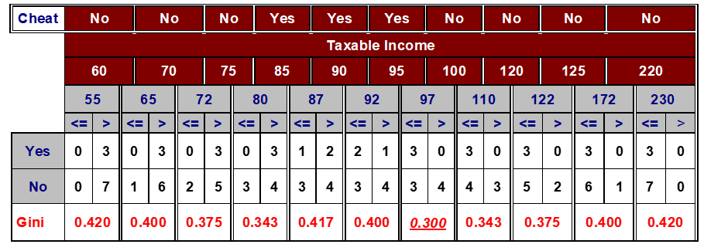
When we follow strictly the approach of slide 67, we have to consider intervals for classes "<= "and ">" and a split-point in the middle of the interval. See the slide p.67:

So we get the following matrix:
Druck
Values |  | 105 | 107 | 108 | 112 | 130 | 138 | 140 | 170 | 194
Error |  | NO | NO | YES | NO | NO | YES | NO | YES | YES
Split-Point | 104 | 106 | 107.5 | 110 | 121 | 134 | 139 | 155 | 182 | 206
Interval | < = > | < = > | < = > | < = > | < = > | < = > | < = > | < = > | < = > | < = >
NO | 0 5 | 1 4 | 2 3 | 2 3 | 3 2 | 4 1 | 4 1 | 5 0 | 5 0 | 5 0
YES | 0 4 | 0 4 | 0 4 | 1 3 | 1 3 | 1 3 | 2 2 | 2 2 | 3 1 | 4 0
GINI

***********************************************************************************************************************
We calculate next the matrix for Temp.: |  |  |  |  |  |  |  |  |  | Nr. | Anl | Typ | Temp. | Druck | Füllst. | Fehler
 |  |  |  |  |  |  |  |  |  | 1001 | 123 | TN | 244 | 140 | 4600 | NO
Temp. |  |  |  |  |  |  |  |  |  | 1002 | 123 | TO | 200 | 130 | 4300 | NO
Values |  | 200, 200, 200 | 244 | 245 | 248 | 250 | 265 | 272 |  | 1009 | 128 | TSW | 245 | 108 | 4100 | YES
Error |  | NO, NO,YES | NO | YES | YES | NO | NO | YES |  | 1028 | 128 | TS | 250 | 112 | 4100 | NO
Split-Point | 178 | 222 | 244.5 | 246.5 | 249 | 257.5 | 268.5 | 275.5 |  | 1043 | 128 | TSW | 200 | 107 | 4200 | NO
Interval | < = > | < = > | < = > | < = > | < = > | < = > | < = > | < = > |  | 1088 | 128 | TO | 272 | 170 | 4400 | YES
NO | 0 5 | 2 3 | 3 2 | 3 2 | 3 2 | 4 1 | 5 0 | 5 0 |  | 1102 | 128 | TSW | 265 | 105 | 4100 | NO
YES | 0 4 | 1 3 | 1 3 | 2 2 | 3 1 | 3 1 | 3 1 | 4 0 |  | 1119 | 123 | TN | 248 | 138 | 4800 | YES
GINI |  |  |  |  |  |  |  |  |  | 1122 | 123 | TM | 200 | 194 | 4500 | YES

***********************************************************************************************************************
Finally we calculate the matrix for Füllst.: |  |  |  |  |  |  |  |  |  | Nr. | Anl | Typ | Temp. | Druck | Füllst. | Fehler
 |  |  |  |  |  |  |  |  |  | 1001 | 123 | TN | 244 | 140 | 4600 | NO
Füllst. |  |  |  |  |  |  |  |  |  | 1002 | 123 | TO | 200 | 130 | 4300 | NO
Values |  | 4100, 4100,4100 | 4200 | 4300 | 4400 | 4500 | 4600 | 4800 |  | 1009 | 128 | TSW | 245 | 108 | 4100 | YES
Error |  | NO, NO, YES | NO | NO | YES | YES | NO | YES |  | 1028 | 128 | TS | 250 | 112 | 4100 | NO
Split-Point | 4050 | 4150 | 4250 | 4350 | 4450 | 4550 | 4700 | 4900 |  | 1043 | 128 | TSW | 200 | 107 | 4200 | NO
Interval | < = > | < = > | < = > | < = > | < = > | < = > | < = > | < = > |  | 1088 | 128 | TO | 272 | 170 | 4400 | YES
NO | 0 5 | 2 3 | 3 2 | 4 1 | 4 1 | 4 1 | 5 0 | 5 0 |  | 1102 | 128 | TSW | 265 | 105 | 4100 | NO
YES | 0 4 | 1 3 | 1 3 | 1 3 | 2 2 | 3 1 | 3 1 | 4 0 |  | 1119 | 123 | TN | 248 | 138 | 4800 | YES
GINI |  |  |  |  |  |  |  |  |  | 1122 | 123 | TM | 200 | 194 | 4500 | YES

STEP 2
******************************** STEP 2 **********************************************

We calculate first for all values of Druck the GINI- Index:
See the following matrix, which shows the results.

Druck
Values |  | 105 | 107 | 108 | 112 | 130 | 138 | 140 | 170 | 194
Error |  | NO | NO | YES | NO | NO | YES | NO | YES | YES
Split-Point | 104 | 106 | 107.5 | 110 | 121 | 134 | 139 | 155 | 182 | 206
Interval | < = > | < = > | < = > | < = > | < = > | < = > | < = > | < = > | < = > | < = >
NO | 0 5 | 1 4 | 2 3 | 2 3 | 3 2 | 4 1 | 4 1 | 5 0 | 5 0 | 5 0
YES | 0 4 | 0 4 | 0 4 | 1 3 | 1 3 | 1 3 | 2 2 | 2 2 | 3 1 | 4 0
GINI | 0.494 | 0.444 | 0.381 | 0.481 | 0.433 | 0.344 | 0.444 | 0.317 | 0.417 | 0.494

First we calculate Gini (Druck) for the value= 139: |  |  |  |  |  | Second we calculate Gini (Druck) for the value= 155:
Gini (Druck) |  |  |  |  |  | Gini (Druck)
= 6/9*Gini(<=139) + 3/9*Gini(>139)' |  |  |  |  |  | = 7/9*Gini(<=0155) + 2/9*Gini(>155)'
= 2/3*(1- (4/6)²-(2/6)²) + 1/3*(1-(1/3)²-(2/3)²)' |  |  |  |  |  | = 7/9*(1- (2/7)²-(5/7)²) + 2/9*(1-(2/2)²-(0/2)²)'
= 2/3*((36-16-4)/36 ) + 1/3*((9-1-4)/9) = 8/27 + 4/27 = 4/9 = ~0.444' |  |  |  |  |  | = 7/9*((49-4-25)/49 ) + 0 = 7/9*(20/49) = 20/63 = ~0.317'

Third we calculate GINI (Druck) for the value= 182:
Gini (Druck)
= 8/9*Gini(<=182) + 1/9*Gini(>182)'
= 8/9*(1- (3/8)²-(5/8)²) + 1/9*(1-(1/1)²-(0/1)²) '
= 8/9*((64-9-25)/49 ) + 0 = 8/9*(30/64) = 10/24 = 5/12 ~0.417'

For the rest of the calculations see the following screenshot:



************************************************************************************************************
We calculate next for all values of Temp. the GINI- Index:
See the following matrix, which shows the results:

Temp.
Values |  | 200, 200, 200 | 244 | 245 | 248 | 250 | 265 | 272
Error |  | NO, NO,YES | NO | YES | YES | NO | NO | YES
Split-Point | 178 | 222 | 244.5 | 246.5 | 249 | 257.5 | 268.5 | 275.5
Interval | < = > | < = > | < = > | < = > | < = > | < = > | < = > | < = >
NO | 0 5 | 2 3 | 3 2 | 3 2 | 3 2 | 4 1 | 5 0 | 5 0
YES | 0 4 | 1 3 | 1 3 | 2 2 | 3 1 | 3 1 | 3 1 | 4 0
GINI | 0.494 | 0.481 | 0.433 | 0.489 | 0.481 | 0.492 | 0.417 | 0.494

We see that the value of the GINI-index only depends on the distribution of YES and NO's:
For the values 178, 222, 244,5, 249, 268,5 and 275,5 we can use the GINI of Druck, since the distribution of YES and NO's are same.
So we need only to calculate GINI(Temp.) for the values= 246,5 and 257,5

First we calculate GINI (Temp.) for the value= 246,5:
Gini (Temp.)
= 5/9*Gini(<=246,5) + 4/9*Gini(>246,5)'
= 5/9*(1- (3/5)²-(2/5)²) + 4/9*(1-(2/4)²-(2/4)²)'
= 5/9*((25-9-4)/25 ) + 4/9*(1-1/4-1/4) = 5/9*(12/25) + 4/9*1/2 = 4/15 + 2/9 = 22/45 ~0.489'
Second we calculate GINI (Druck) for the value= 257,5:
Gini (Temp.)
= 7/9*Gini(<=257,5) + 2/9*Gini(>257,5)'
= 7/9*(1- (4/7)²-(3/7)²) + 2/9*(1-(1/2)²-(1/2)²) '
= 7/9*((49-16-9)/49 ) + 1/9 = 7/9*(24/49) + 1/9 = 8/21 + 1/9 = 31/63 ~0.492'
*************************************************************************************************************
Finally we calculate all values of Füllst. the GINI- Index:
See the following matrix, which shows the results:
Füllst.
Values |  | 4100, 4100,4100 | 4200 | 4300 | 4400 | 4500 | 4600 | 4800
Error |  | NO, NO, YES | NO | NO | YES | YES | NO | YES
Split-Point | 4050 | 4150 | 4250 | 4350 | 4450 | 4550 | 4700 | 4900
Interval | < = > | < = > | < = > | < = > | < = > | < = > | < = > | < = >
NO | 0 5 | 2 3 | 3 2 | 4 1 | 4 1 | 4 1 | 5 0 | 5 0
YES | 0 4 | 1 3 | 1 3 | 1 3 | 2 2 | 3 1 | 3 1 | 4 0
GINI | 0.494 | 0.481 | 0.433 | 0.344 | 0.444 | 0.492 | 0.417 | 0.494

All values of GINI- Indexes are calculated above.
For example GINI(Füllst.) for the value= 4450 is the same as GINI(Druck) for the value=139.

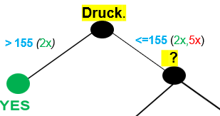
*************************************************************************************************************
RESULT: | When we consider the lowest GINI we see it with 0.317 for the feature DRUCK for the value 155.
=> DRUCK = Root-Node and the Split-Value is at 155. Our descion tree is now:

STEP 3
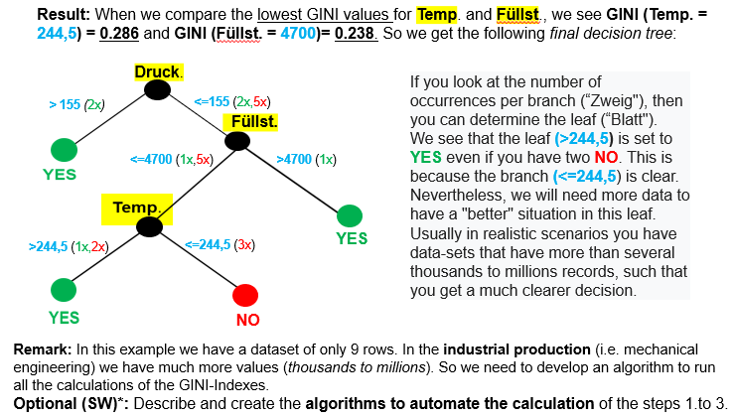
************************************************* STEP 3 **************************************************************
We need to calculate the GINI-Indexes for all remaining 7 values (where Druck < =155) for the Features Temp. and Füllst.:

 | Nr. | Anl | Typ | Temp. | Druck | Füllst. | Fehler
 | 1001 | 123 | TN | 244 | 140 | 4600 | NO
 | 1002 | 123 | TO | 200 | 130 | 4300 | NO
 | 1009 | 128 | TSW | 245 | 108 | 4100 | YES
 | 1028 | 128 | TS | 250 | 112 | 4100 | NO
 | 1043 | 128 | TSW | 200 | 107 | 4200 | NO
 | 1088 | 128 | TO | 272 | 170 | 4400 | YES
 | 1102 | 128 | TSW | 265 | 105 | 4100 | NO
 | 1119 | 123 | TN | 248 | 138 | 4800 | YES
 | 1122 | 123 | TM | 200 | 194 | 4500 | YES

Temp.
Values |  | 200, 200 | 244 | 245 | 248 | 250 | 265
Error |  | NO, NO | NO | YES | YES | NO | NO
Split-Point | 178 | 222 | 244.5 | 246.5 | 249 | 257.5 | 272.5
Interval | < = > | < = > | < = > | < = > | < = > | < = > | < = >
NO | 0 5 | 2 3 | 3 2 | 3 2 | 3 2 | 4 1 | 5 0
YES | 0 2 | 0 2 | 0 2 | 1 1 | 2 0 | 2 0 | 2 0
GINI | 0.408 | 0.343 | 0.286 | 0.405 | 0.343 | 0.405 | 0.408

GINI (178) = GINI (272,5) = 0/7*(GINI<=178)+7/7*GINI(>178)= 0 + 1-(5/7)²-(2/7)² = (49-4-25)/49 = 20/49 ~ 0.408
GINI (222) = GINI (249) = 2/7*(1-0-1 )+ 5/7*(1-(3/5)²-(2/5)² = 5/7*((25-9-4)/25) = 1/7*(12/5) = 12/35 ~ 0.343
GINI (244,5) = 3/7*(1-0-1 )+ 4/7*(1-(1/2)²-(1/2)² = 0 + 4/7*(1/2) = 4/14 = 2/7 ~ 0.286
GINI (246,5) = 4/7*(1-(3/4)²-(1/4)² )+ 3/7*(1-(1/3)²-(2/3))² = 4/7*((16-9-1)/16) + 3/7*((9-1-4)/9)= 6/28 + 4/21 = 17/34 ~ 0.405
GINI (257,5) = 6/7*(1-(4/6)²-(2/6)² )+ 1/7*(1-0 -1))² = 6/7*(1-(2/3)²-(1/3)² + 0= 6/7*(4/9) =6/7*4/9 = 8/21 ~ 0.405

*****************************************************************************************************************************
The final task ist to calculate the table for Füllst:

 | Nr. | Anl | Typ | Temp. | Druck | Füllst. | Fehler
 | 1001 | 123 | TN | 244 | 140 | 4600 | NO
 | 1002 | 123 | TO | 200 | 130 | 4300 | NO
 | 1009 | 128 | TSW | 245 | 108 | 4100 | YES
 | 1028 | 128 | TS | 250 | 112 | 4100 | NO
 | 1043 | 128 | TSW | 200 | 107 | 4200 | NO
 | 1088 | 128 | TO | 272 | 170 | 4400 | YES
 | 1102 | 128 | TSW | 265 | 105 | 4100 | NO
 | 1119 | 123 | TN | 248 | 138 | 4800 | YES
 | 1122 | 123 | TM | 200 | 194 | 4500 | YES

Füllst.
Values |  | 4100, 4100, 4100 | 4200 | 4300 | 4600 | 4800
Error |  | NO, NO, YES | NO | NO | NO | YES
Split-Point | 4050 | 4150 | 4250 | 4450 | 4700 | 4900
Interval | < = > | < = > | < = > | < = > | < = > | < = >
NO | 0 5 | 2 3 | 3 2 | 4 1 | 5 0 | 5 0
YES | 0 2 | 1 1 | 1 1 | 1 1 | 1 1 | 2 0
GINI | 0.408 | 0.405 | 0.405 | 0.371 | 0.238 | 0.408

For the Values 4050, 4150, 4250 and 4900 we can use the GINI calculation from Temp.
So we need only to calculate the GINI for 4450 and 4700:
GINI (4450) = 5/7*(1-(4/5)²- (1/5)²)+ 2/7*(1-(1/2)²-(1/2)²) = 5/7*((25-16-1)/25) + 2/7*(1/2) = 8/35 + 1/7 = 13/35 = 12/63 = 4/21 ~ 0.371
GINI (4700) = 6/7*(1-(5/6)²-(1/6)² )+ 1/7*(1-0 -1) = 6/7*((36-25-1)/36) = (6/7)*(10/36) = 10/42 = 5/21 ~ 0.238

